Logic- OOALV Report
Object Description |  | Need a report with finctionality to disply all the Task details in OOALV format. The ALV should be able to Disply the extended details of the selected line item after push button on screen is executed. The Additional details of selected Task details should appear on next screen. 'Get Form' button should be able to generte the Adobeform for all the Task selected on first screen

Logic for Report
1 | Select the fields from ZDPR_TASK, CGPL_TASK and ZCGPL_TEXT based on GUID
2 | Display an OALV of all selected fields of ZDPR_TASK on screen 0100 along with two pusho buttons 'Get Details' and 'Get Form'
3 | On selection of line item when the 'Get Details' button is pressed, the next screen should be displayed showing the details from CGPL_TASK and CGPL_TEXT table based on GUID of of selected line
4 | If button 'Get Details' is pressed without selected any line item, error should be displayed
5 | Tha basic functionality of Back, exit should work with standard menu bar for both screen
6 | Get Form' Button will generate the Adobeform for the Tasks selected on first screen
7 | The ALV should restric user for selecting only on line item at one time when 'Get details' button is chosed, if more thanone line is selected, it should throw an error when button is pressed.
8 | In case of 'Get Form' ALV shuld allow multiple row selection to preapare Adobbeform input internal table
9 | All fileds from second screen should not be editable
10 | Refer the screenshots below for screen desining and Adobeform layout design


Functionality:
 | Selection screen

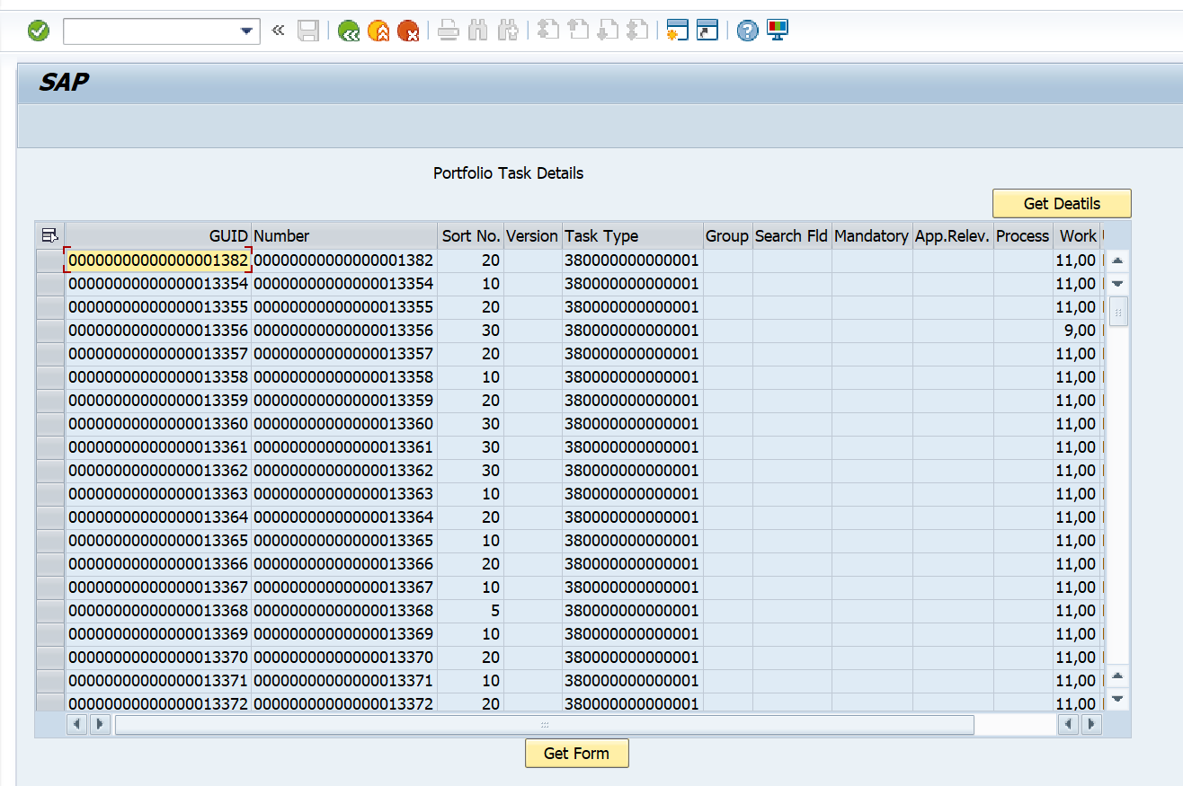
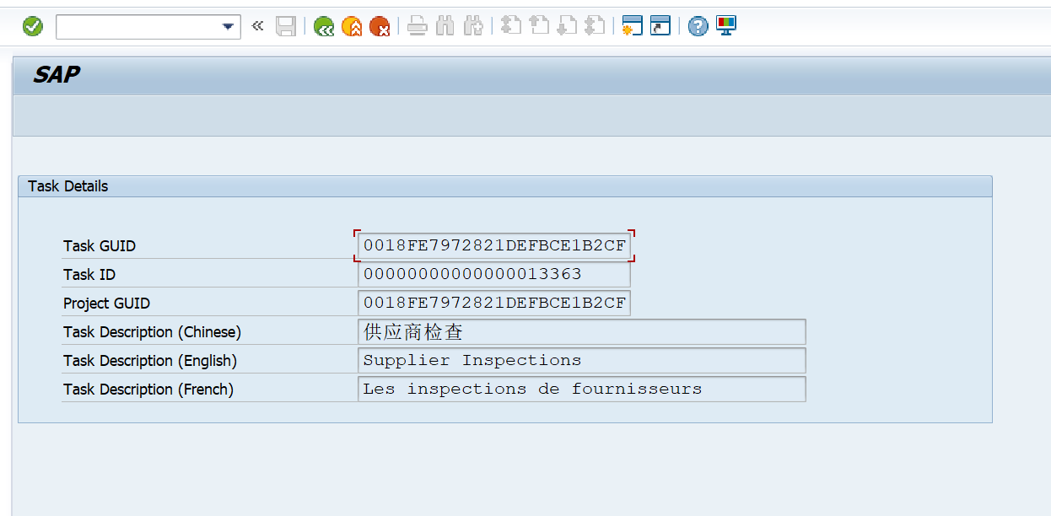
 | First Screen |  | Second Screen

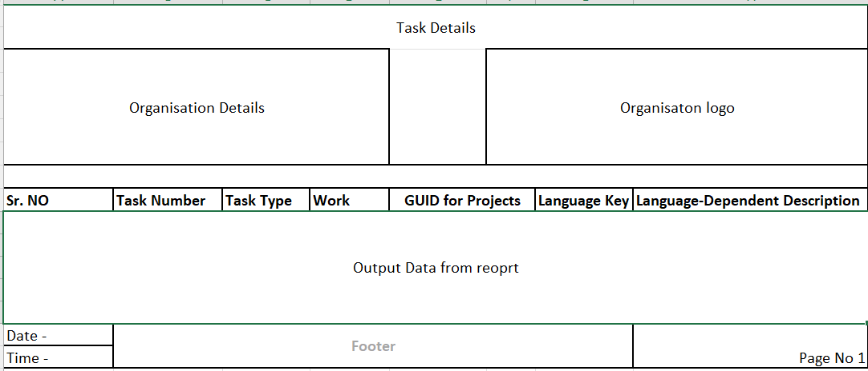
 | Adobeform

Logic to retrieve data from tables
 | How to retrieve data from Three Tables?
 | A) In the select query fetch (DPR_TASK-GUID, TASK_ID, SORT_NUMBER, VERSION_NUMBER, TSK_TYPE, GROUPING, SEARCH_FIELD, OBLIGATORY, APP_RELEVANT, PROCESS, WORK_EFFORT, WORK_UNIT WHERE TSK_TYPE = Parameter input)
 | B) In Second Query Inner join on (CGPL_TASK - GUID, EXTERNAL_ID, PROJECT_GUID, OBJECT_TYPE) & (CGPL_TEXT - GUID, LANGU, TEXT_GUID, TEXT1) where CGPL_TASK~GUID = CGPL_TEXT~GUID = DPR_TASK~GUID

